Prioritization
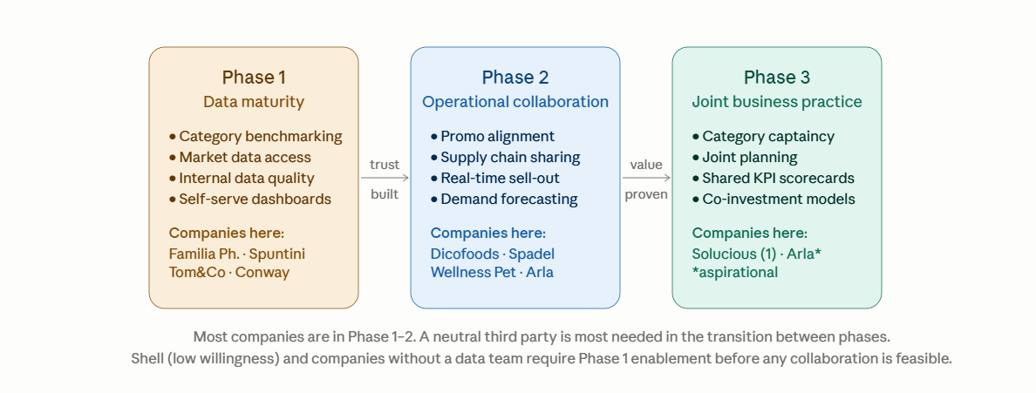
Company | Industry | Data Maturity | Collaboration | Third Party | Grade | Notes | Starting Phase | Contact
Dicofoods | Manufacturer | 1 | 5 | 5 | 8.5 |  | Phase 1
Familia Pharmacies | Specialty Retail | 1 | 5 | 5 | 8.5 |  | Phase 1
Spuntini Group | Wholesaler | 2 | 5 | 5 | 8.5 |  | Phase 2
Tom & Co | Specialty Retail | 4 | 4 | 5 | 7.5 |  | Phase 2
Edgard & Cooper | Manufacturer | 5 | 3 | 5 | 7 |  | Phase 3
Wellness Pet | Manufacturer | 3 | 5 | 5 | 7 |  | Phase 1
Arla | Manufacturer | 3 | 5 | 3 | 6.5 |  | Phase 2
Conway | Wholesaler | 3 | 5 | 5 | 5 | Gondola wholesale market data | No Go
Solucious | Wholesaler | 5 | 5 | 3 | 3 | Piloting already with a company (Gondola? ) | No Go
Shell Belgium | Specialty Retail | 5 | 1 | 1 | 1.5 | Exited Nielsen data sharing 20 years ago | No Go
Hanos | #N/A | 3 | 5 | 5 | 1.5 | Limiting Company Policy | No Go
Spadel | Manufacturer | 5 | 5 | 1 | 0 | Limiting Company Policy | No Go
Lidl Belgium | Retailer | 5 | 2 | 3 | 3 | Limiting Company Policy | Phase 2
Roche Belgium | Specialty Pharma / Neuroscience BE-LU |  |  |  | 1

 | Target audience:
 |  | 1) Standalone |  | 1) Combined |  |  | 1) Combined
 |  | 2) Combined

